DR. MARTENS
DR. MARTENS

PHOTO | CODE | STYLE | RETAIL PRICE | YOUR PRICE | Q.TY | A | 36 | 37 | 38
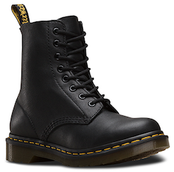 | 13512006 | PASCAL | € 170.00 | € 86.00 | 1,001 | A | 352 | 136 | 513

